User Stories
US ID | Dependency | As a - | I want to - | So that - | Test cases to cover the story | Priority | Estimated Effort (Dev) (hrs) | Estimated Effort (QA) (hrs) | Total Effort (hrs)
US-001 | TS-000 | User | Create my account using my email and password I will have 3 fields to fill: Email, Password and Confirm Password I need to enter Email with format userexample@anymail.com I need to enter password with requirements : minimum 8 characters long, atleast 1 capital letter, atleast 1 special character, atleast 1 number I need to enter the same password in confirm password field I want to click the sign up button to register my account | I can register my email with the app and access the app by logging in later | 1. Valid Registration User enters a valid email confirming to the pattern examplemail@anymail.com User enters a valid password confirming to the requirements: minimum 8 characters long, atleast 1 capital letter, atleast 1 special character, atleast 1 number User enters the same password as entered in the 'password' field in the 'confirm password' field output: Account is created successfully 2. Invalid email format User enters invalid email (invalid format) User enters valid password in password field User enter same password in confirm password field as entered in password field output: Registration should fail with an error message "Invalid email format" 3. Invalid password format User enters valid email User enters invalid password in password field(not confirming to the format) User enters invalid password in confirm password field(not confirming to the format) output: Registration should fail with an error message "Password must be at least 8 characters, contain 1 capital letter, 1 number, and 1 special character" 4. Empty Fields (All) User leaves both email and password field empty output: Registration should fail with an error message: "Email and Password required" 5. Dissimilar passwords in 'Password' and 'Confirm Password' fields User enters valid email User enters valid password in 'Password' field User enters valid but different password in 'Password' field output: Registration should fail with an error message "Enter same password" | 1 | 5 | 2 | 7
US-002 | US-001 | User | Log in to the app using my email and password I will have two fields to fill: Email and Password and a Login button I need to enter email in Email field I need to enter password in Password field I want to click on login button to login into my account | I can access my account securely | 1. Valid and Exisiting email with valid password User enters valid and existing email and correct password output: user is logged in 2. Invalid (Unregistered mail) User enters mail that is not registered User enters password output: Login fails wih an error message: "Email not registered" 3. Incorrect password for registered user User enters valid and registered email User enters wrong password output: Login fails with an error message: "Iincorrect password" | 2 | 2 | 1 | 3
US-003 | US-002 | User | Manage my profile details like setting my name, date of birth(dob), gender: male, female or other, category of user like student, working professional or researcher | I can set/update my personal details like name, dob, gender, category ['student', 'working professional', 'researcher'] | 1. Entering any of the all given optional fields User can enter name, date of birth, gender, category output: Details are saved for the user | 11 | 3 | 1 | 4
US-004 | TS-003 | User | Add hyperlink to the knowledge card in the 'Enter link' section of the knowledge card The hyperlink should be of the valid | The system can generate the summary of the content by visiting the link site and scraping the data and then summarizing it. | 1. Valid Link User enters a valid link in the knowledge card which is without space contaning domain name e.g., https://www.geeksforgeeks.org/what-is-graph-database/ output: Link is saved in the system and summary is generated and received from the link and summary is displayed on the summary section of knowedge card 2. Invalid Link User enters an invalid link (that doesn't confirm to the format) output: Error message is shown "Invalid link" and link not saved in the system 3. Valid link with data not fetchable User enters a valid link but the data is not fetchable, so summary couldn't be generated (e.g., requires login, restricted access, or page not available) output: Link is saved in the system but message "Can't prepare summary for this link" is received 4. Duplicate Link: User enters the same link (of which it has already generated summary) in another card output: Link is not saved and an error message is displayed "Link already summarized in card {card title}" | 3 | 7 | 5 | 12
US-005 |  | User | Add notes(textual data) to the knowledge card in the 'Add Note here' section | I can add my own content/additional information | 1. Entering text User enters any text in the note section of knowledge card ouput: Note is saved in the database for that particular user's knowledge card and displayed on the card 2. Keeping Note blank output: Nothing is displayed int the note section of the knowledge card | 4 | 3 | 2 | 5
US-006 | TS-001a TS-001b | User | 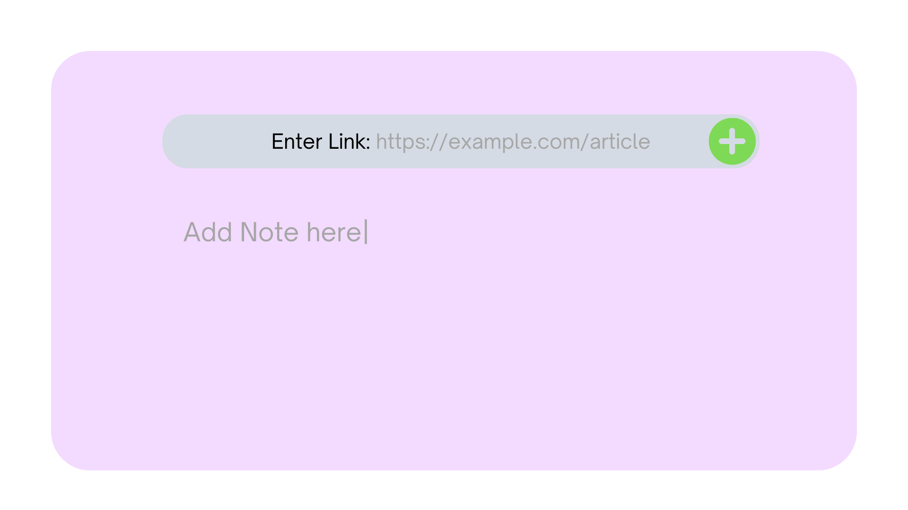 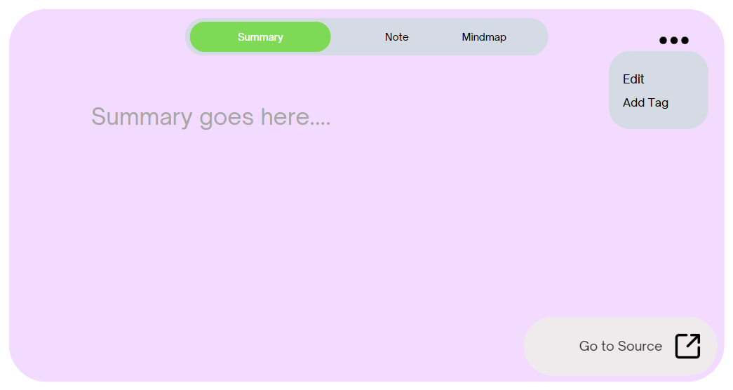 Edit the content of knowledge card like in Note or Summary section by clicking on the three dots(more icon) and selecting edit from the menu after editing when clicking done, the changes should be made | The summary or notes section becomes editable and I can make necessary updates or corrections. | 1. Editing Note User clicks on more icon and selects edit from the menu Note screen becomes editable and user adds or updates content of Note User clicks done output: changed Note is reflected | 5 | 6 | 4 | 10
US-007 | TS-004 | User | Be able to add a tag to a knowledge card. Which will have a 3 level difficulty e.g. Easy, Moderate, Hard. i will select one of the tag from the given options and will tag it. | I can sort knowledge cards based on difficulty level tags. e.g. if i want to see knowledge cards which i have tagged Hard, just by searching or filtering the cards i can see all the difficult cards. | 1. Selecting a specific tag e.g. Hard User selects a tag from hard output: Hard Tag is selected and shown on the knowledge card | 8 | 4 | 3 | 7
US-008 | US-006 | User | Sort the knowledge cards on the home page. This sorting will be done on basis of the difficulty tags i have already added to a knowledge card. | I can view and easily access particular type of cards on basis of the difficulty tag i have alredy added. | 1. Selecting 1 filter: easy User selects the easy checkbox from filter dropdown output: Knowledge cards only with easy tags are visible 2. Selecting 2 filter: easy Hard User selects the easy and difficult checkboxes from dropdown output: Knowledge cards with easy and difficult tags are visible 3. Clearing filter: User selects clear filter option output: All cards are visible in default order | 9 | 7 | 4 | 11
US-009 | US-008 TS-002 TS-002a | User | View different categories (Knowledge Suits) of knowledge cards. So i will click Suits button in Navbar, which will take me to a page where all the different Suits are present with their title. | I can easily navigate to the required suite of knowledge cards. i can see all the suits i.e. different toppics knowledge cards i have in a single place. | 1. User clicks on 'Suits' option in navbar output: groups of similar knowledge cards must be visible | 10 | 10 | 7 | 17
US-010 | US-009 | User | Edit the title of the Suite. i can edit the already present group title of the Suit as i wish | if the automatically generated title of the suite is very long or not self descriptive, I can easily change it accordingly. | 1.Single Word Title: Current Title is just a single word, e.g. Technical User cllcks on edit option Output: User will be able to edit it accordingly. e.g. Technologies which are currently in Boom. 2. Very Long Title: current title is very long user will click edit button Output: User will be able to edit it accordingly, make it short and crisp. | 6 | 5 | 2 | 7
US-011 | US-006 | User | Delete my knowledge card. if i click on the delete button on a knowledge card, it should give me prompt and ask me to confirm about deletion of card. If i confirmed by clicking yes, then it should delete the knowledge card permanently. Else if i click No for deleteing the card, it will not delete the card. | just by pressing on delete button, i will be able to delete it. if i press the delete button by mistake, it will still confirm about it, so that important card does not get deleted by mistake. | 1. User clicks on delete icon and clicks confirm on prompt output: Knowledge card is deleted 2. User clicks on delete icon but clicks no while confirming: output:card is not delted | 7 | 3 | 1 | 4

 |  |  |  |  |  |  |  | TOTAL TIME REQUIRED (HRS) | 87

